Simple Exponential Smoothing
Alpha | 0.2
Simple Exponential Forecast - 0.2
 | Orginal Series | Forecasted Series
1 | 38
2 | 43 | 38
3 | 46 | 39.5
4 | 40 | 40.4
5 | 38 | 41.01
6 | 43 | 39.856
7 | 50 | 40.97
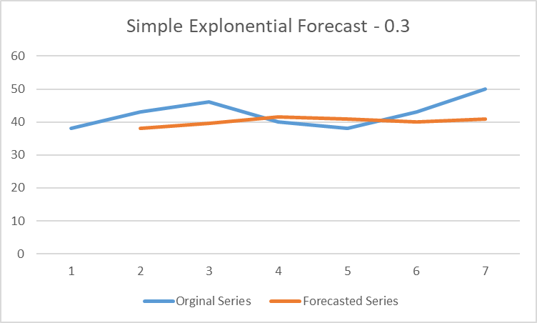
Week | Orginal Series | Level l(t) | Forecasted Series
1 | 38 | 38
2 | 43 | 39.00 | 38
3 | 46 | 40.40 | 39.5
4 | 40 | 40.32 | 40.40
5 | 38 | 39.86 | 41.01
6 | 43 | 40.48 | 39.86
7 | 50 | 42.39 | 40.97

Holt's Exponential Smoothing
alpha | 0.2 |  |  |  | alpha | 0.5
beta | 0.2 |  |  |  | beta | 0.1

Holt's Exponential Smoothing
 | Actual | Forecast
Jan-17 | 80
Apr-17 | 130
Jul-17 | 140 | 100
Oct-17 | 90 | 118
Jan-18 | 112 | 110.4
Apr-18 | 182 | 113.52
Jul-18 | 196 | 143.456
Oct-18 | 126 | 169.7568
Jan-19 | 157 | 159.63904
Apr-19 | 255 | 164.218112
Jul-19 | 274 | 206.0599936
Oct-19 | 176 | 242.39639808
Quarter | Actual | Level l(t) | Trend b(t) | Forecast | Quarter | y(t) | l(t) | b(t) | y(t+1)
Jan-17 | 80 | 80 |  |  | 1 | 30 | 30
Apr-17 | 130 | 90.0 | 10.0 |  | 2 | 50 | 40.00 | 1.00 | 30.00
Jul-17 | 140 | 108.0 | 10.0 | 100.0 | 3 | 180 | 110.50 | 7.95 | 41.00
Oct-17 | 90 | 112.4 | -2.0 | 118.0 | 4 | 200 | 159.23 | 12.03 | 118.45
Jan-18 | 112 | 110.7 | 2.8 | 110.4 | 5 | 250 | 210.63 | 15.96 | 171.25
Apr-18 | 182 | 127.2 | 16.2 | 113.5 | 6 | 300 | 263.30 | 19.64 | 226.59
Jul-18 | 196 | 154.0 | 15.8 | 143.5 | 7 | 310 | 296.47 | 20.99 | 282.93
Oct-18 | 126 | 161.0 | -1.4 | 169.8
Jan-19 | 157 | 159.1 | 5.1 | 159.6
Apr-19 | 255 | 182.4 | 23.7 | 164.2
Jul-19 | 274 | 219.6 | 22.7 | 206.1
Oct-19 | 176 | 229.1 | -1.4 | 242.4
 |  | =$B$1*B6+(1-$B$1)*(C5+D5)
 |  |  | =$B$2*(B6-B5)+(1-$B$2)*D5
 |  |  |  | =C6+D6

